Sheet1
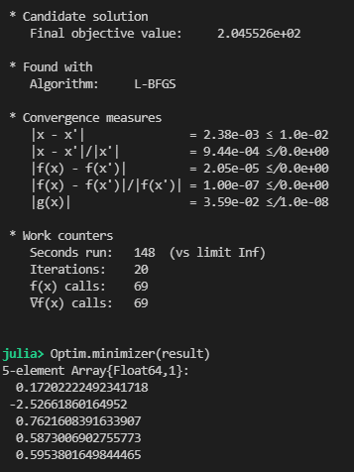
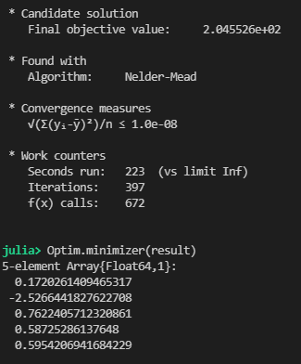
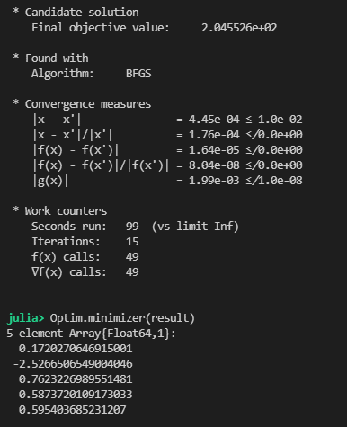
Method | L-BFGS | NelderMead | BFGS | GradientDescent
Gradient | Yes | No | Yes | Wrong solution
Objective function value | 2.05E+02 | 2.05E+02 | 2.05E+02
x tolerance | 1.00E-02 | 1.00E-03 | 1.00E-02
Iterations | 20 | 397 | 15
Function calls | 69 | 672 | 49
Gradient calls | 69 |  | 49
Seconds run | 148 | 223 | 99
Minutes run | 2.4666666667 | 3.7166666667 | 1.65

Theta2 starting point | 1,1,1,1,1 | 1,1,1,1,1 | 1,1,1,1,1

Notes | Does not get the same solution starting with theta2 of zeros | Also works starting from theta2 of zeros

Theta 2

